Understanding Diagram Data
Basic Flowchart - Data Visualizer Add-in
Learn how to use the data columns in this Basic Flowchart sample.

Process Step ID
The values in this column should uniquely identify your process steps for example 1,2,3… or P100,P200,P300… This is a mandatory field.

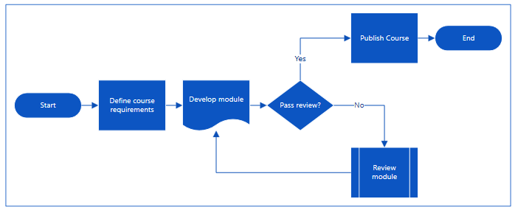
Process Step Description
Add a brief description about your process steps in this column. This description is shown as shape text.

Next Step ID
Add the 'Process Step ID' of the next step in this column. Note: If any process step has multiple next steps, then these should be represented as comma separated values, for example "2,3" or "P200,P300".

Let's get started >
Connector Labels
Add the connector text for outgoing connectors of any process step in this column. Note: The labels for multiple next steps for a process should be represented as comma separated values, for example "Yes,No", in the same order as that of the outgoing steps.

Shape Type
Add keywords for shape type in this column. This column contains a list of all available flowchart shapes in Visio. Recommended: Select a shape type value from the available values in the dropdown list.

Alt Text
This is an optional column used for accessibility. Alt Text is used when user is using narrator to read advanced items.

